Article
Check a Value Exists in a List or Range With COUNTIF

https://github.com/ExcelTitan/Excel_Formulas
http://www.excelcampus.com/functions/how-to-use-countif-instead-of-vlookup
Author: Jon Acampora

Problem – I want to check and see if the names in column B exist in this long list of names in column E.
There are a lot of different ways we can solve this problem with formulas in Excel. You might be inclined to use a VLOOKUP formula, and that would work just fine.
However, there are a few advantages to using the COUNTIF function instead.
1. It’s faster
2. Easier
3. And less prone to errors.

Why Use COUNTIF Instead of VLOOKUP?
When you just want to determine if a value exists in a list then I recommend using COUNTIF over VLOOKUP. It has a few advantages that make it more efficient, and also give you more insight to your data.
Here are 3 reasons to use COUNTIF instead of VLOOKUP (when you just want to see if a value exists in a range of cells):
1. The COUNTIF function only has two arguments making it really fast and easy to write the formula. VLOOKUP has four arguments.
2. COUNTIF returns the total number of matching values in the range, so you can see if there is more than one matching value. VLOOKUP cannot do this, it only returns the first match.
3. If the value does not exist, COUNTIF will return a zero (0). You do not need to worry about a formula error. With VLOOKUP, the formula would return an error and you would use and error handling function like IFERROR to handle the error.
Here is a comparison table of the list above, just in case your boss asks why… 🙂

COUNTIF vs VLOOPKUP for Checking if a Value Exists
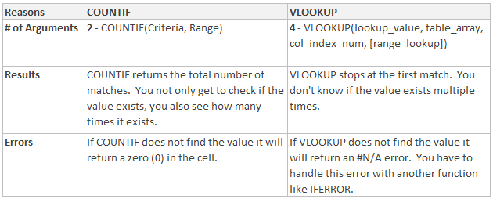

COUNTIF vs VLOOKUP for Determining If A Value Exists
Here is an example of solving the same problem with COUNTIF vs VLOOKUP.
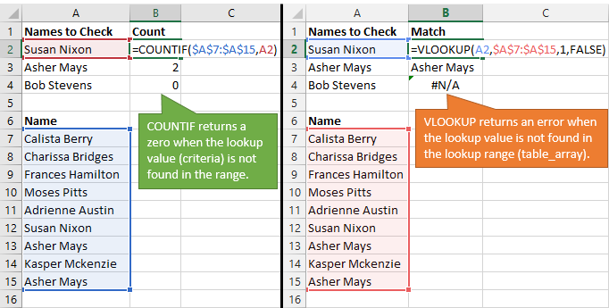

The COUNTIF returns a number greater than or equal to 1 if the value exists in the list. It returns a zero if the value does not exist.
The VLOOKUP formula is going to return the matching value from the list. VLOOKUP returns a #N/A error if it can’t find the value in the list.

COUNTIF Example
Names to Check | Count | Name
Susan Nixon | 1 | Calista Berry
Asher Mays | 2 | Charissa Bridges
Bob Stevens | 0 | Frances Hamilton
 |  | Moses Pitts
Use COUNTIF to determine how many cells contain the name in the list on the right.
If the value is not found in the range, COUTIF will return a zero (cell C4).
 |  | Adrienne Austin
 |  | Susan Nixon
 |  | September Travis
 |  | Asher Mays
 |  | Kasper Mckenzie
 |  | Colton Chase
 |  | Asher Mays
 |  | Wayne Garrison
 |  | Charissa Bridges

VLOOKUP Example
VLOOKUP can also be used to determine if a value exists.
It does not tell you how many times the value exists.
It also returns an #N/A error if the value is not found. Additional steps need to be taken to handle the error.
Names to Check | Match
Susan Nixon | Susan Nixon
Asher Mays | Asher Mays
Bob Stevens | #N/A

Name
Calista Berry
Charissa Bridges
Frances Hamilton
Moses Pitts
Adrienne Austin
Susan Nixon
Asher Mays
Kasper Mckenzie
Asher Mays

COUNTIFS Example
Name | Region | Count
Bob | East | 3
Use COUNTIFS to check multiple ranges for multiple criteria.
You can also use COUNTIFS with only one criteria, instead of COUNTIF.

Name | Region | Date
Bob | North | 2016-01-01
Susan | South | 2016-01-01
Susan | East | 2016-01-01
Alice | West | 2016-01-02
Bob | East | 2016-01-02
Jeff | East | 2016-01-02
Alice | North | 2016-01-03
Bob | East | 2016-01-03
Susan | West | 2016-01-03
Bob | South | 2016-01-03
Bob | East | 2016-01-04

